Land Module
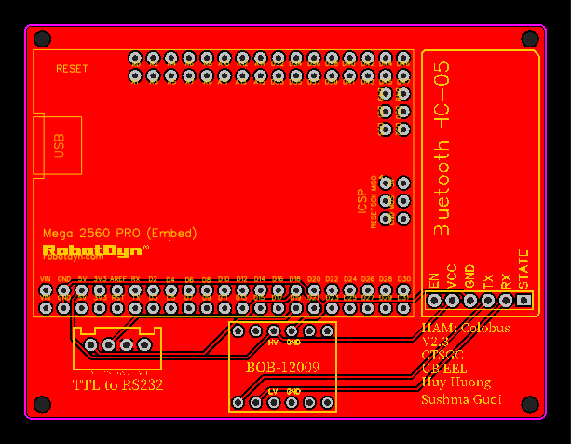
Part Name | Link | Quantity | Instructions
Pin Headers
6 Pin Female Header | https://www.pololu.com/product/1016 | 2 | BOB-12009
6 Pin Female Header - Right Angle | https://www.pololu.com/product/2706 | 1 | HC-05
42 Pin Female Header (Double Row 2X21) | https://a.co/d/eKeQT0n | 1 | Mega
32 Pin Female Header (Double Row 2X16) | https://www.pololu.com/product/1032 | 1 | Mega

JST-XH
4 Pin Female | https://a.co/d/bgsOH8m | 1 | RS232
4 Pin Male | https://a.co/d/bgsOH8m | 1 | RS232

Parts
RobotDYN Mega2560 Pro (USB-C) | https://a.co/d/bH8J3KD | 1 | Mega
Custom 3D Print Housing | XXXXX | 1 | XXXX
BOB-12009 | http://sfe.io/p12009 | 1 | BOB-12009
HC-05 | https://a.co/d/3XNW5pP | 1 | HC-05
TTL-RS232 Converter (Female) | https://a.co/d/gG8eGNs | 1 | RS232

Mission Control
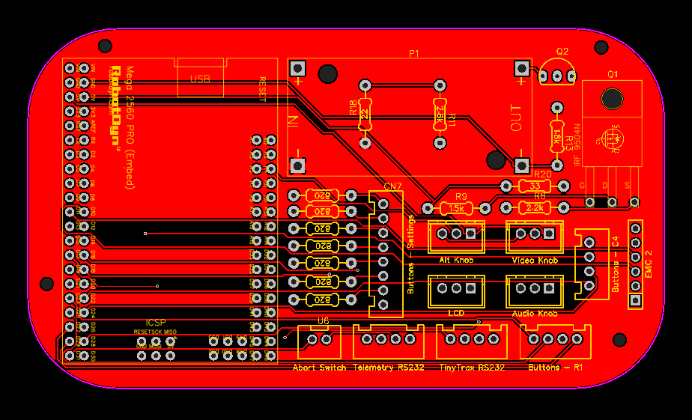
Part Name | Link | Quantity | Instructions
Pins
42 Pin Female Header (Double Row 2X21) | https://a.co/d/eKeQT0n | 1 | Mega
32 Pin Female Header (Double Row 2X16) | https://www.pololu.com/product/1032 | 1 | Mega
6 Pin Female Header | https://www.pololu.com/product/1016 | 1 | EMIC-2

JST-XH
4 Pin Female | https://a.co/d/iFVEU3y | 4 | Buttons
4 Pin Male | https://a.co/d/iFVEU3y | 4
8 Pin Female | https://a.co/d/1h01qrw | 1 | Buttons
8 Pin Male | https://a.co/d/1h01qrw | 1
2 Pin Female | https://a.co/d/iFVEU3y | 1 | Abort
2 Pin Male | https://a.co/d/iFVEU3y | 1
3 Pin Female | https://a.co/d/iFVEU3y | 4 | Knobs & LCD
3 Pin Male | https://a.co/d/iFVEU3y | 4

Resistors
1.5k Ohm 1/4W Metal Film Precision Resistor | https://www.addicore.com/products/1-5k-ohm-1-4w-precision-resistor | 1
820 Ohm 1/4W Metal Film Precision Resistor | https://www.addicore.com/products/820-ohm-1-4w-precision-resistor | 7
22 Ohm 1/4W Metal Film Precision Resistor | https://www.addicore.com/products/22-ohm-1-4w-precision-resistor | 1
33 Ohm 1/4W Metal Film Precision Resistor | https://www.addicore.com/products/33-ohm-1-4w-precision-resistor | 1
2.2k Ohm 1/4W Metal Film Precision Resistor | https://www.addicore.com/products/2-2k-ohm-1-4w-precision-resistor | 1
2.7k Ohm 1/4W Metal Film Precision Resistor | https://www.addicore.com/products/2-7k-ohm-1-4w-precision-resistor | 1
1.8k Ohm 1/4W Metal Film Precision Resistor | https://www.addicore.com/products/1-8k-ohm-1-4w-precision-resistor | 1

Parts
IRF9540N Pmofset | https://a.co/d/atFJA9T | 1 | Pmofset
2N3904 Transistor | https://www.digikey.com/short/r0br3w32 | 1 | 2N3904 Transistor
RobotDYN Mega2560 Pro (USB-C) | https://a.co/d/bH8J3KD | 1 | Mega
LM2596 | https://a.co/d/ch42JEh | 1 | DC-DC Buck
EMIC-2 | Need to Find new component | 1 | EMIC-2
TTL-RS232 Converter (Male) | https://a.co/d/9iedlnE | 1 | Tiny Trax
TTL-RS232 Converter (Female) | https://a.co/d/gG8eGNs | 1 | Telem Proc
Audio out 3.5mm | https://a.co/d/2Z8L2z0 | 1
On off Switch | https://a.co/d/76x7G4o | 1 | On/Off
Power 7-20V, Center+ | https://a.co/d/3mFWR7X | 1

VideoLynx
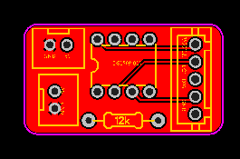
Part Name | Link | Quantity | Instructions
JST-XH
2 Pin Female | https://a.co/d/iFVEU3y | 2 | Abort
2 Pin Male | https://a.co/d/iFVEU3y | 2
5 Pin Female | https://a.co/d/iFVEU3y | 1 | Back to main Board
5 Pin Male | https://a.co/d/iFVEU3y | 1

Resistors
12k Ohm 1/4W Metal Film Precision Resistor | https://www.addicore.com/products/12k-ohm-1-4w-precision-resistor | 1

Parts
DS1809-010 | https://mou.sr/3W7q0MQ | 1

